Application Screen
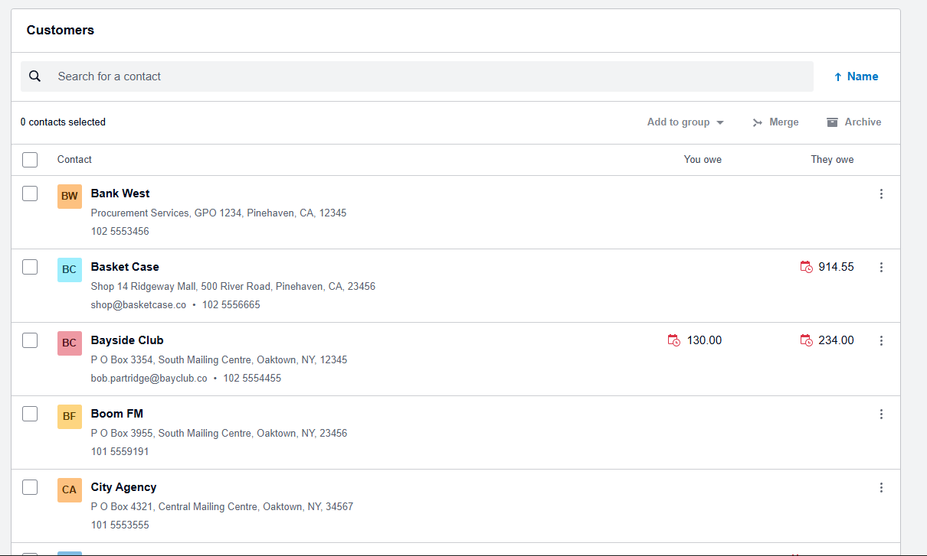
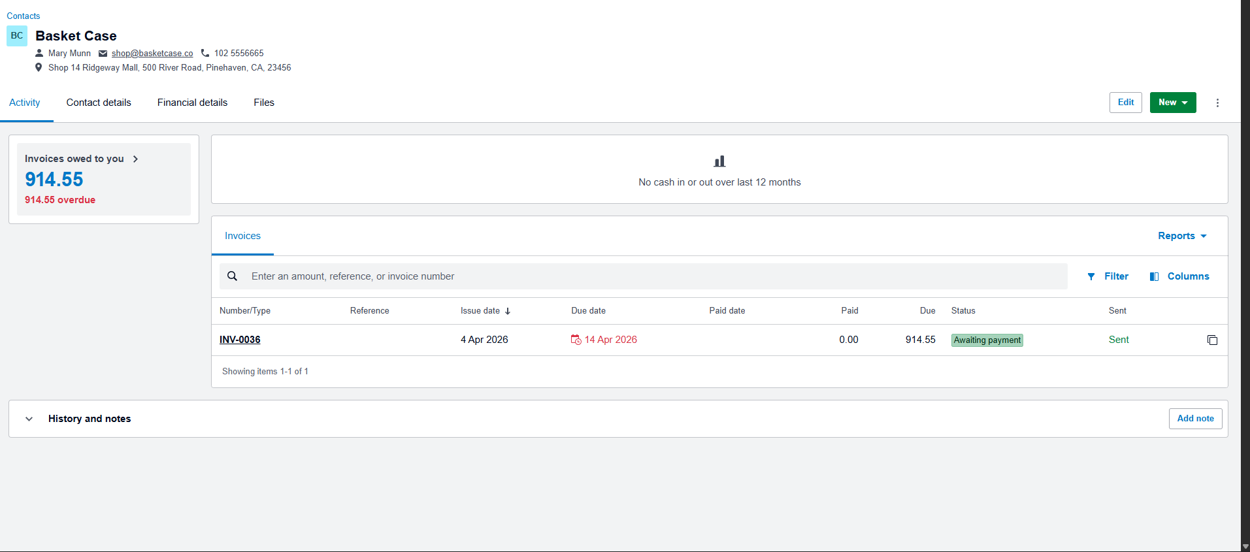
Application Screens Used for 07.02 View Customer Balance

User Story
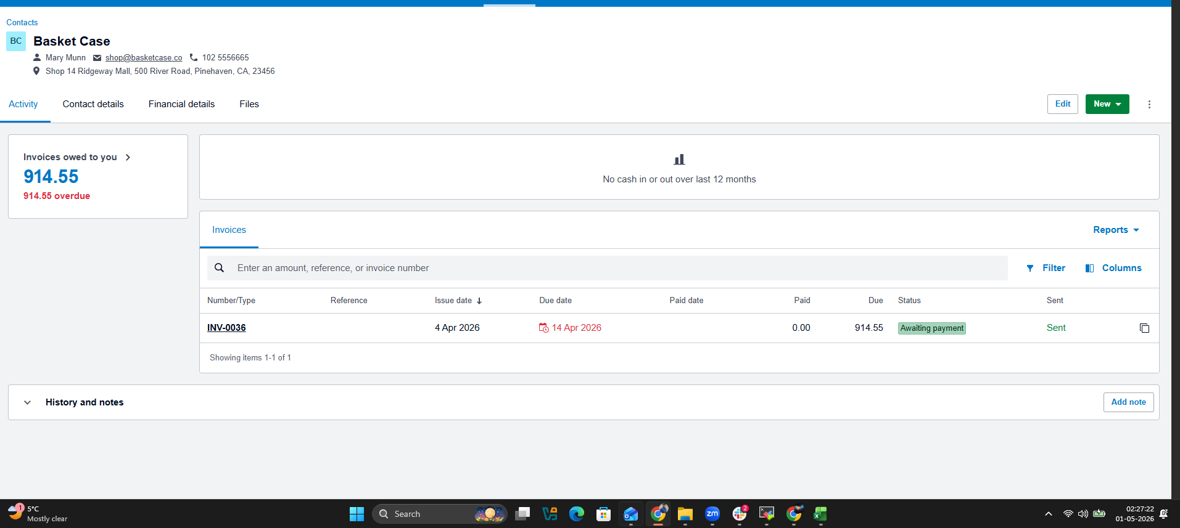
User Story | 07.02 View Customer Balance
Story statement | As an authorized user, I want to view a customer's balance from the Customers list and Customer Activity page so that I can quickly see how much the customer owes us, how much we owe the customer/vendor, and whether any balance is overdue.
Application evidence | Screenshots show Customers list and Bayside Club Activity page with balances and transaction rows.

Test Design
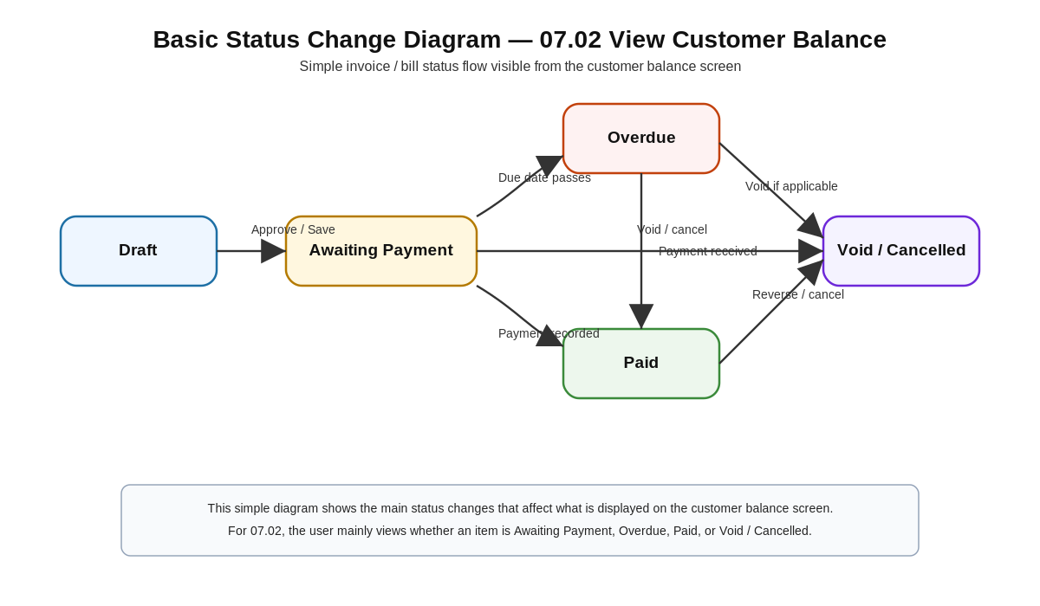
Template Source - IEEE STD.829

User Story title | 07.02 View Customer Balance

Features to be tested | Core functionality: Open Contacts/Customers, search/select a customer, and view the customer balance summary on the list and customer activity page. • GUI behavior: customer rows, search box, balance columns, customer header, Activity tab, summary cards, transaction table, and status labels are visible and readable. • Cross-cutting concerns: • ET-Entitlements: only authorized users can open customer balance information. • STS-Status: balance cards and transaction rows show the correct status such as Awaiting payment/Awaiting Payment and overdue amounts. • CL-Calculations: summary balances equal the visible unpaid invoice/bill totals for the selected customer. • CN-Connectivity: the page loads customer balances and transaction details without broken data connections. • DF-In/DF-Out: selected customer data is read correctly and displayed as accurate on-screen output.

Approach refinements (preliminary steps for test design or test execution) | Black-box functional testing using the Xero Demo Company screens shown in the application screenshots. • Use the Customers list to search and select Bayside Club. • Verify the list row shows Bayside Club with balances in both You owe and They owe columns. • Open the customer profile and verify the Activity page balance cards. • Compare the summary cards to the transaction table totals and status labels. • Capture screenshots for the list page, selected customer profile, and Activity tab results. • Keep execution small: three test cases cover navigation/search, balance display, and balance calculation/status validation.
Webster Dictionary: approach - the taking of preliminary steps toward a particular purpose.

Test identification (test ideas) | TC No | TC Title
Test identification (test ideas) | TC No | TC Title
 | TC_07.02_01 | Authorized user opens the View Customer Balance page for Bayside Club
 | TC_07.02_02 | Verify customer balance summary values and overdue status for Bayside Club
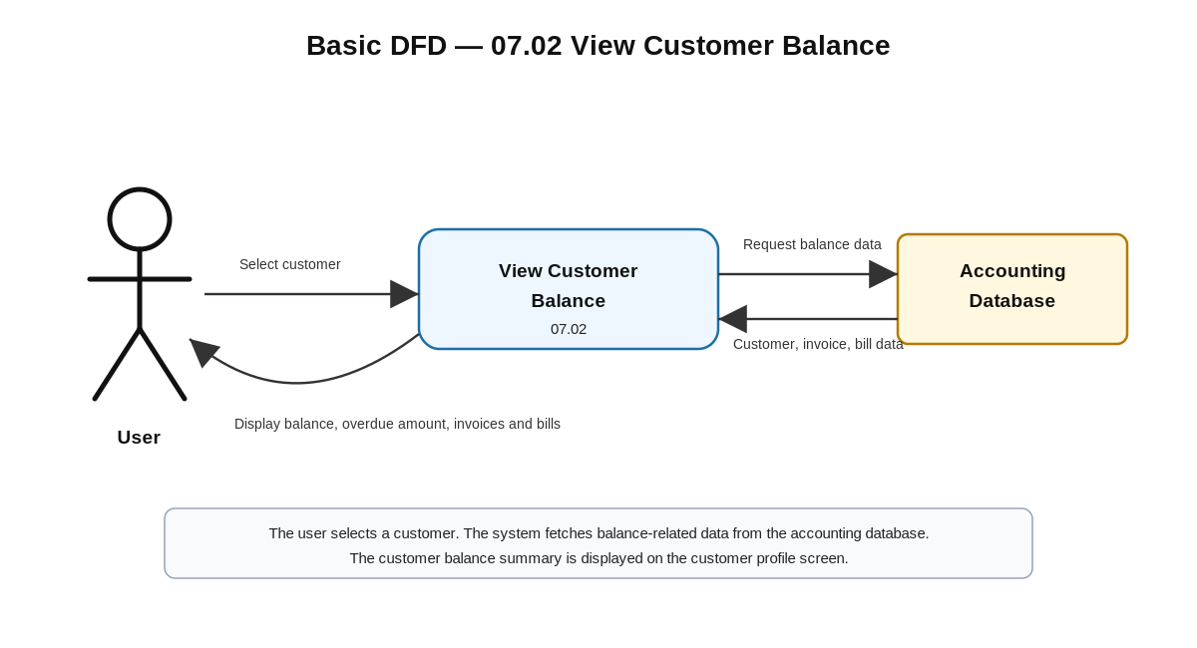
 | TC_07.02_03 | Search Customers list and verify displayed balance columns for Bayside Club
Feature pass/fail criteria
 | A given test case passes if every step result matches the expected result and supporting screenshots/evidence are captured. The 07.02 View Customer Balance feature passes when all three test cases are passed with no open high-severity defects.

In scope | Customer search/list, customer activity page, balance summary cards, transaction table totals, visible status labels, authorized access.
Out of scope | Creating invoices, editing payments, bank reconciliation, report exports, and multi-user concurrency testing.

Requirement traceability | RCT: 07.02 View Customer Balance; Core Functionality, GUI Features, ET-Entitlements, STS-Status, CL-Calculations, CN-Connectivity, DF-In/DF-Out.

DFD note | Simple flow for diagram: Authorized User → Xero Customers UI → Contact/Balance service → Customer, Invoice, Bill data stores → Balance summary and transaction list output.

